GRADE final
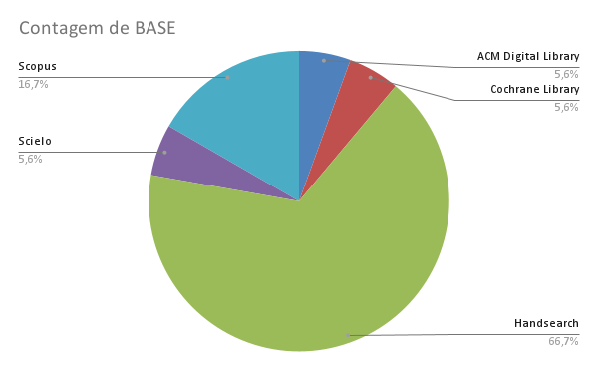
STUDY | BASE | GRADE - Itens | GRADE - Intervenção | GRADE - Final
LEHTONEN et al. (2015) | ACM Digital Library | Alto (⊕⊕⊕⊕) | Alto (⊕⊕⊕⊕) | Alto (⊕⊕⊕⊕)
LEE et al. (2018) | Cochrane Library | Alto (⊕⊕⊕⊕) | Alto (⊕⊕⊕⊕) | Alto (⊕⊕⊕⊕)
LIU et al. (2020) | Handsearch | Alto (⊕⊕⊕⊕) | Alto (⊕⊕⊕⊕) | Alto (⊕⊕⊕⊕)
KANG et al. (2020) | Handsearch | Alto (⊕⊕⊕⊕) | Alto (⊕⊕⊕⊕) | Alto (⊕⊕⊕⊕)
TSAY et al. (2018) | Handsearch | Alto (⊕⊕⊕⊕) | Alto (⊕⊕⊕⊕) | Alto (⊕⊕⊕⊕)
ANTONACI et al. (2019) | Handsearch | Alto (⊕⊕⊕⊕) | Alto (⊕⊕⊕⊕) | Alto (⊕⊕⊕⊕)
ROMERO-RODRÍGUEZ et al. (2019) | Handsearch | Alto (⊕⊕⊕⊕) | Alto (⊕⊕⊕⊕) | Alto (⊕⊕⊕⊕)
GRIVOKOSTOPOULOU et al. (2010) | Handsearch | Alto (⊕⊕⊕⊕) | Alto (⊕⊕⊕⊕) | Alto (⊕⊕⊕⊕)
PEDRO et al. (2015) | Handsearch | Alto (⊕⊕⊕⊕) | Alto (⊕⊕⊕⊕) | Alto (⊕⊕⊕⊕)
PAKINEE et al. (2021) | Handsearch | Alto (⊕⊕⊕⊕) | Alto (⊕⊕⊕⊕) | Alto (⊕⊕⊕⊕)
MARCOS et al. (2020) | Handsearch | Alto (⊕⊕⊕⊕) | Alto (⊕⊕⊕⊕) | Alto (⊕⊕⊕⊕)
ROMERO-RODRÍGUEZ et al. (2020) | Handsearch | Alto (⊕⊕⊕⊕) | Alto (⊕⊕⊕⊕) | Alto (⊕⊕⊕⊕)
ALSHAMMARI (2020) | Handsearch | Alto (⊕⊕⊕⊕) | Alto (⊕⊕⊕⊕) | Alto (⊕⊕⊕⊕)
RINCÓN-FLORES et al. (2019) | Handsearch | Alto (⊕⊕⊕⊕) | Alto (⊕⊕⊕⊕) | Alto (⊕⊕⊕⊕)
PITEIRA et al. (2018) | Scielo | Alto (⊕⊕⊕⊕) | Alto (⊕⊕⊕⊕) | Alto (⊕⊕⊕⊕)
ORTEGA-ARRANZ et al. (2019) | Scopus | Alto (⊕⊕⊕⊕) | Alto (⊕⊕⊕⊕) | Alto (⊕⊕⊕⊕)
AWAIS et al. (2019) | Scopus | Alto (⊕⊕⊕⊕) | Alto (⊕⊕⊕⊕) | Alto (⊕⊕⊕⊕)
ORTEGA-ARRANZ et al. (2019-b) | Scopus | Alto (⊕⊕⊕⊕) | Alto (⊕⊕⊕⊕) | Alto (⊕⊕⊕⊕)

Gráficos
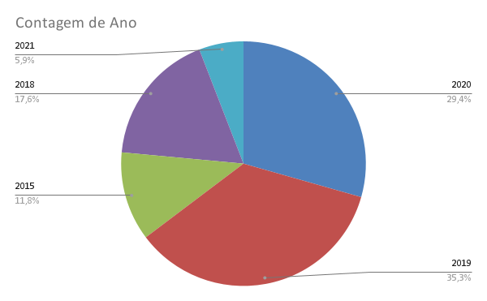
STUDY | Título | Autor(es) | Ano | País(es)
LIU et al. (2020) | Using the Concept of Game-Based Learning in Education | Zi-Yu Liu Zaffar Ahmed Shaikh Farida Gazizova | 2020 | Rússia China Paquistão
ORTEGA-ARRANZ et al. (2019) | To reward and beyond: Analyzing the effect of reward-based strategies in a MOOC | Alejandro Ortega-Arranz, Miguel L.Bote-Lorenzo, Juan I.Asensio-Pérez, Alejandra Martínez-Monés, Eduardo Gómez-Sánchez, Yannis Dimitriadis | 2019 | Espanha
AWAIS et al. (2019) | An adaptive feedback system to improve student performance based on collaborative behavior | Muhammad Awais, Ume Habiba, Hina Khalid, Muhammad Shoaib, Shazia Arshad | 2019 | Paquistão
LEHTONEN et al. (2015) | On the Role of Gamiﬁcation and Localization in an OpenOnline Learning Environment: Javala Experiences | Timo Lehtonen, Timo Aho, Essi Isohanni, Tommi Mikkonen | 2015 | Finlândia
PITEIRA et al. (2018) | CANOE e Flow: determinantes na adoção de curSos de programação online gamificado. | Martinha Piteira Carlos J. Costa Manuela Aparicio | 2018 | Portugal
LEE et al. (2018) | Cognitive Style and Mobile E-Learning in Emergent Otorhinolaryngology-Head and Neck Surgery Disorders for Millennial Undergraduate Medical Students: Randomized Controlled Trial | Li-Ang Lee, Yi-Ping Chao, Chung-Guei Huang, Ji-Tseng Fang, Shu-Ling Wang, Cheng-Keng Chuang, Chung-Jan Kang, Li-Jen Hsin, Wan-Ni Lin, Tuan-Jen Fang, Hsueh-Yu Li | 2018 | Taiwan
ALSHAMMARI (2020) | Evaluation of Gamification in E-Learning Systems for Elementary School Students | Mohammad T. Alshammari | 2020 | Arábia Saudita
KANG et al. (2020) | The Effectiveness of Personality-Based Gamification Model for Foreign Vocabulary Online Learning | Hasung Kang, Gede Putra Kusuma |  | Indonésia
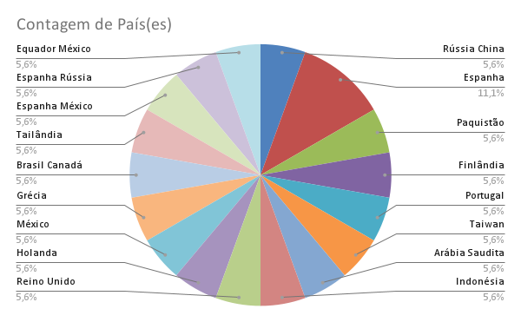
TSAY et al. (2018) | Enhancing student learning experience with technology-mediated gamification: An empirical study | Crystal Han-Huei Tsaya, Alexander Kofinas, Jing Luo | 2018 | Reino Unido
ANTONACI et al. (2019) | Gamiﬁcation of MOOCs Adopting SocialPresence and Sense of Community to IncreaseUser’s Engagement: An Experimental Study | Alessandra Antonaci, Roland Klemke, Johan Lataster, Karel Kreijns, Marcus Specht | 2019 | Holanda
ROMERO-RODRÍGUEZ et al. (2019) | Gamification in {MOOCs}: Engagement Application Test in Energy Sustainability Courses | Luis M Romero-Rodriguez María-Soledad Ramírez-Montoya Jaime Ricardo Valenzuela González | 2019 | México
GRIVOKOSTOPOULOU et al. (2010) | The Effectiveness of Embodied Pedagogical Agents and Their Impact on Students Learning in Virtual Worlds | Foteini Grivokostopoulou, Konstantinos Kovas and Isidoros Perikos | 2020 | Grécia
PEDRO et al. (2015) | Does Gamification Work for Boys and Girls? An Exploratory Study with a Virtual Learning Environment | Lais Z. Pedro, Aparecida M. Z. Lopes, Bruno G. Prates, Julita Vassileva, Seiji Isotani | 2015 | Brasil Canadá
PAKINEE et al. (2021) | Designing a gamified e-learning environment for teaching undergraduate ERP course based on big five personality traits | Ariya Pakinee, Kitti Puritat | 2021 | Tailândia
MARCOS et al. (2020) | Gamifying Massive Online Courses: Eﬀects on theSocial Networks and Course Completion Rates | Luis de-Marcos, Antonio Garcia-Cabot, Eva Garcia-Lopez, Raúl V. Ramírez-Valarde, Antonio Moreira Teixeira, José-Javier Martínez-Herráiz. | 2020 | Espanha México Portugal
RINCÓN-FLORES et al. (2019) | The use of gamification in xMOOCs about energy: Effects and predictive models for participants’ learning | Elvira G. Rincón-Flores, Juanjo Mena, María Soledad Ramírez-Montoya, Raúl Ramírez Velarde | 2019 | Espanha Rússia México
ROMERO-RODRÍGUEZ et al. (2020) | Correlation analysis between expectancy-value and achievement goals in MOOCs on energy sustainability: profiles with higher engagement | Luis M Romero-Rodriguez María-Soledad Ramírez-Montoya Jaime Ricardo Valenzuela González | 2020 | Equador México
ORTEGA-ARRANZ et al. (2019-b) | Understanding Student Behavior and Perceptions toward Earning Badges in a Gamified MOOC | Alejandro Ortega-Arranz, Erkan Er, Alejandra Martínez-Monés, Miguel L. Bote-Lorenzo, Juan I. Asensio-Pérez, Juan A. Muñoz-Cristóbal | 2019 | Espanha

Cópia de Gráficos
STUDY | Título | Autor(es) | Ano | País(es)
LIU et al. (2020) | Using the Concept of Game-Based Learning in Education | Zi-Yu Liu Zaffar Ahmed Shaikh Farida Gazizova | 2020 | Rússia
ORTEGA-ARRANZ et al. (2019) | To reward and beyond: Analyzing the effect of reward-based strategies in a MOOC | Alejandro Ortega-Arranz, Miguel L.Bote-Lorenzo, Juan I.Asensio-Pérez, Alejandra Martínez-Monés, Eduardo Gómez-Sánchez, Yannis Dimitriadis | 2019 | Espanha
AWAIS et al. (2019) | An adaptive feedback system to improve student performance based on collaborative behavior | Muhammad Awais, Ume Habiba, Hina Khalid, Muhammad Shoaib, Shazia Arshad | 2019 | Paquistão
LEHTONEN et al. (2015) | On the Role of Gamiﬁcation and Localization in an OpenOnline Learning Environment: Javala Experiences | Timo Lehtonen, Timo Aho, Essi Isohanni, Tommi Mikkonen | 2015 | Finlândia
PITEIRA et al. (2018) | CANOE e Flow: determinantes na adoção de curSos de programação online gamificado. | Martinha Piteira Carlos J. Costa Manuela Aparicio | 2018 | Portugal
LEE et al. (2018) | Cognitive Style and Mobile E-Learning in Emergent Otorhinolaryngology-Head and Neck Surgery Disorders for Millennial Undergraduate Medical Students: Randomized Controlled Trial | Li-Ang Lee, Yi-Ping Chao, Chung-Guei Huang, Ji-Tseng Fang, Shu-Ling Wang, Cheng-Keng Chuang, Chung-Jan Kang, Li-Jen Hsin, Wan-Ni Lin, Tuan-Jen Fang, Hsueh-Yu Li | 2018 | Taiwan
ALSHAMMARI (2020) | Evaluation of Gamification in E-Learning Systems for Elementary School Students | Mohammad T. Alshammari | 2020 | Arábia Saudita
KANG et al. (2020) | The Effectiveness of Personality-Based Gamification Model for Foreign Vocabulary Online Learning | Hasung Kang, Gede Putra Kusuma |  | Indonésia
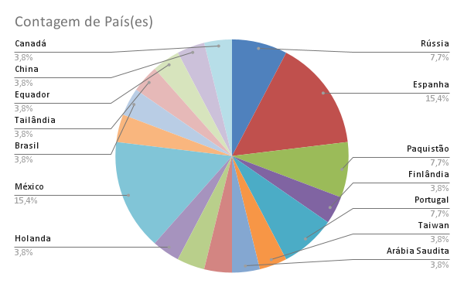
TSAY et al. (2018) | Enhancing student learning experience with technology-mediated gamification: An empirical study | Crystal Han-Huei Tsaya, Alexander Kofinas, Jing Luo | 2018 | Reino Unido
ANTONACI et al. (2019) | Gamiﬁcation of MOOCs Adopting SocialPresence and Sense of Community to IncreaseUser’s Engagement: An Experimental Study | Alessandra Antonaci, Roland Klemke, Johan Lataster, Karel Kreijns, Marcus Specht | 2019 | Holanda
ROMERO-RODRÍGUEZ et al. (2019) | Gamification in {MOOCs}: Engagement Application Test in Energy Sustainability Courses | Luis M Romero-Rodriguez María-Soledad Ramírez-Montoya Jaime Ricardo Valenzuela González | 2019 | México
GRIVOKOSTOPOULOU et al. (2010) | The Effectiveness of Embodied Pedagogical Agents and Their Impact on Students Learning in Virtual Worlds | Foteini Grivokostopoulou, Konstantinos Kovas and Isidoros Perikos | 2020 | Grécia
PEDRO et al. (2015) | Does Gamification Work for Boys and Girls? An Exploratory Study with a Virtual Learning Environment | Lais Z. Pedro, Aparecida M. Z. Lopes, Bruno G. Prates, Julita Vassileva, Seiji Isotani | 2015 | Brasil
PAKINEE et al. (2021) | Designing a gamified e-learning environment for teaching undergraduate ERP course based on big five personality traits | Ariya Pakinee, Kitti Puritat | 2021 | Tailândia
MARCOS et al. (2020) | Gamifying Massive Online Courses: Eﬀects on theSocial Networks and Course Completion Rates | Luis de-Marcos, Antonio Garcia-Cabot, Eva Garcia-Lopez, Raúl V. Ramírez-Valarde, Antonio Moreira Teixeira, José-Javier Martínez-Herráiz. | 2020 | Espanha
RINCÓN-FLORES et al. (2019) | The use of gamification in xMOOCs about energy: Effects and predictive models for participants’ learning | Elvira G. Rincón-Flores, Juanjo Mena, María Soledad Ramírez-Montoya, Raúl Ramírez Velarde | 2019 | Espanha
ROMERO-RODRÍGUEZ et al. (2020) | Correlation analysis between expectancy-value and achievement goals in MOOCs on energy sustainability: profiles with higher engagement | Luis M Romero-Rodriguez María-Soledad Ramírez-Montoya Jaime Ricardo Valenzuela González | 2020 | Equador
ORTEGA-ARRANZ et al. (2019-b) | Understanding Student Behavior and Perceptions toward Earning Badges in a Gamified MOOC | Alejandro Ortega-Arranz, Erkan Er, Alejandra Martínez-Monés, Miguel L. Bote-Lorenzo, Juan I. Asensio-Pérez, Juan A. Muñoz-Cristóbal | 2019 | Espanha
 |  |  |  | China
 |  |  |  | Paquistão
 |  |  |  | México
 |  |  |  | Rússia
 |  |  |  | México
 |  |  |  | Portugal
 |  |  |  | México
 |  |  |  | Canadá

